Sheet1
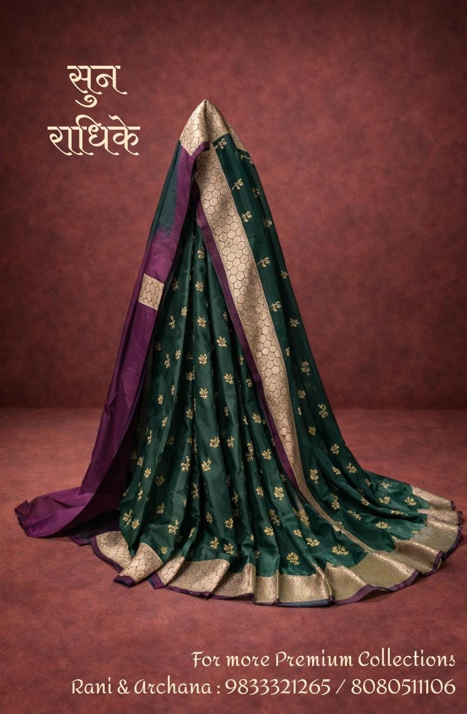
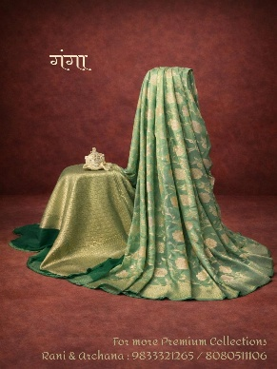
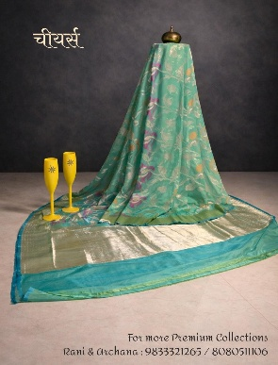
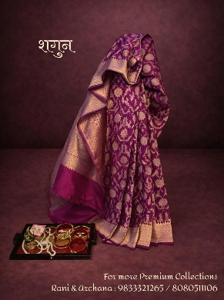
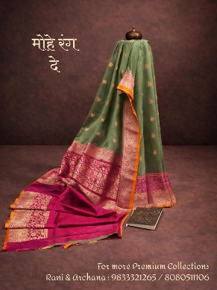
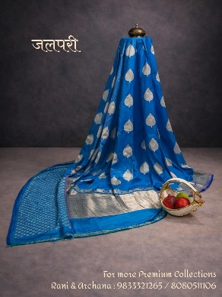
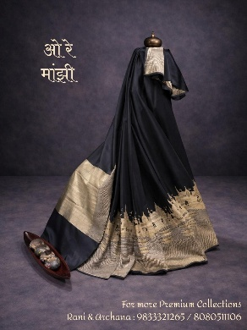
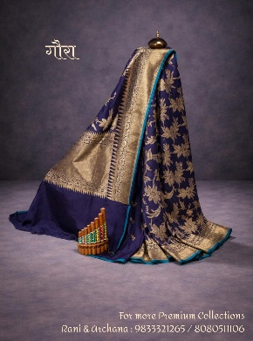
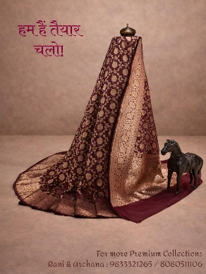
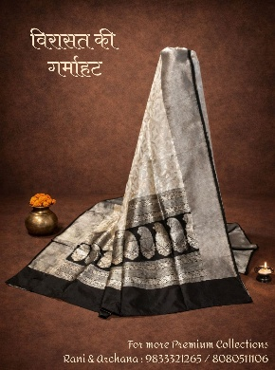
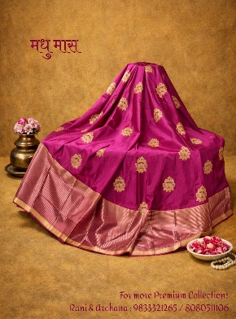
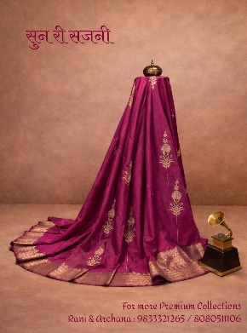
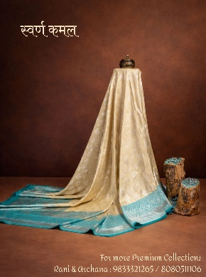
Photos

Name | Sun Radhike | Ganga | Chiyars | Shagun | Moh Rang De | Jalpari | Ore Manjhi | Gaura | Hum Hai Taiyar Chalo | Virasat Ki Garmahat | Madhu Maas | Sun Ri Sajani | Swarna Kamal
Price | Rs.14,500 | Rs.18,500 | Rs.18,500 | Rs.29,500 | Rs.12,500 | Rs.10,500 | Rs.15,500 | Rs.10,500 | Rs.29,500 | Rs.25,000 | Rs.16,500 | Rs.16,500 | Rs.22,500
Discounted Price | Rs.10,875 | Rs.13,875 | Rs.13,875 | Rs.22,125 | Rs.9,375 | Rs.7,875 | Rs.11,625 | Rs.7,875 | Rs.22,125 | Rs.18,750 | Rs.12,375 | Rs.12,375 | Rs.16,875
Fabric | Pure Katan Silk | Pure Katan Silk | Pure Katan Silk | Pure Katan Silk | Pure Katan Silk | Pure Katan Silk | Pure Katan Silk | Pure Katan Silk | Pure Katan Silk | Pure Katan Silk | Pure Katan Silk | Pure Katan Silk | Pure Katan Silk
Dimensions | 5.5 m + 0.8 m blouse | Width: 1.10 m | 5.5 m + 0.8 m blouse | Width: 1.10 m | 5.5 m + 0.8 m blouse | Width: 1.10 m | 5.5 m + 0.8 m blouse | Width: 1.10 m | 5.5 m + 0.8 m blouse | Width: 1.10 m | 5.5 m + 0.8 m blouse | Width: 1.10 m | 5.5 m + 0.8 m blouse | Width: 1.10 m | 5.5 m + 0.8 m blouse | Width: 1.10 m | 5.5 m + 0.8 m blouse | Width: 1.10 m | 5.5 m + 0.8 m blouse | Width: 1.10 m | 5.5 m + 0.8 m blouse | Width: 1.10 m | 5.5 m + 0.8 m blouse | Width: 1.10 m | 5.5 m + 0.8 m blouse | Width: 1.10 m
Color | Deep Green with contrast border | Soft Pastel Green | Aqua Teal | Royal Purple | Olive Green with pink contrast | Royal Blue | Midnight Black | Navy Blue | Deep Maroon | Ivory & Black | Rani Pink | Deep Magenta | Soft Gold with Turquoise border
Speciality | Traditional zari buta with rich woven pallu | All-over floral jaal weave | Contemporary floral weave with zari pallu | Heavy floral brocade with grand border | Subtle buta body with ornate zari border | Bold buti weave with broad zari border | Artistic woven border with heritage motifs | Rich floral brocade with traditional zari border | Intricate brocade weave with broad zari pallu | Heritage-inspired woven border with detailed motifs | Scattered buta weave with broad zari border | Elegant vertical woven motifs with zari pallu | Subtle floral woven body with elegant contrast zari border
Occasion | Wedding rituals, festive gatherings | Day weddings, poojas, celebrations | Festive parties, cultural events | Wedding functions, receptions | Engagements, festive evenings | Evening functions, festive celebrations | Formal events, receptions | Weddings, grand festivities | Bridal functions, festive nights | Cultural gatherings, traditional events | Festivals, wedding ceremonies | Engagements, festive celebrations | Day weddings, festive celebrations, traditional gatherings
Style Tip | Pair with antique gold jewellery | Pearl or kundan jewellery enhances elegance | Minimal jewellery for a refined look | Temple jewellery complements the richness | Statement earrings and sleek bun | Silver-toned jewellery enhances look | Statement choker for dramatic look | Pair with gold bangles and bold makeup | Bridal jewellery set for complete look | Minimal gold accessories for elegance | Floral gajra with traditional jewellery | Statement earrings & soft curls | Pair with turquoise or kundan jewellery for a refined look
Fit Tip | Best draped in classic pleated style to highlight border | Loose pallu drape to showcase full jaal | Open pallu style works best | Structured pleats for a regal silhouette | Highlight contrast pallu in seedha drape | Let the pallu fall long for elegance | Neat pleats for a structured finish | Classic drape to emphasize pallu | Structured drape for royal appeal | Soft pleats to highlight border detailing | Flowing pallu to enhance richness | Open pallu for graceful fall | Classic pleated drape to highlight the contrast border and graceful pallu fall
Pack Includes | 1 saree with 1 unstiched blouse | 1 saree with 1 unstiched blouse | 1 saree with 1 unstiched blouse | 1 saree with 1 unstiched blouse | 1 saree with 1 unstiched blouse | 1 saree with 1 unstiched blouse | 1 saree with 1 unstiched blouse | 1 saree with 1 unstiched blouse | 1 saree with 1 unstiched blouse | 1 saree with 1 unstiched blouse | 1 saree with 1 unstiched blouse | 1 saree with 1 unstiched blouse | 1 saree with 1 unstiched blouse

